GENERAL
All fees may be changed without announcement so please contact us before paymnet process or ask for most updated prize list.
 | Massco QHSE Training Plan 2020

# | Course/ Award/ Certifcate Diploma | Duration | Fees | January | February | March | April | May | June | July | August | September | October | November | December
OHSE -01 | 30h Occupational Safety &Health for General Industry in accordance with OSHA 29 CFR 1910 & 30h Occupational Safety &Health for Construction Industry in accordance with OSHA 29 CFR 1926 | 4 days | 800 |  | 15-16-17-18 Feb |  |  | 21-22-23-24 May |  |  |  | 18-19-20-21 Seb |  | 24-25-26-27 Vov
OHSE -02 | 30h Occupational Safety &Health for O&G Well drilling Industry in accordance with OSHA 29 CFR 1910 & 1926 &API &ANSI | 3 days | 800 |  |  |  |  | 4-5-6 May |  |  | 28-29-30 Oug |  |  |  | 27-28-29 Dec
OHSE -03 | 30 Occup. Safety and Health Standards for Shipyard Employment in accordance with OSHA 29 CFR 1915& 1917&1918 | 3 days | 800 |  | 26-27-28 Feb |  |  |  |  |  | 28-29-30 Oug
OHSE -04 | First Aid at Workplace | 2 days | 500 |  | 15-16 Feb |  |  |  | 1-2 Jun |  |  |  | 21-22 Oct
OHSE -05 | Fire Fighting/Fire warden / Fire Marshal | 2 days | 500 |  | 17-18 Feb |  |  |  | 1-2 Jun |  |  |  | 21-22 Oct
OHSE -06 | Lifting-Rigging -Slingging Safe Operations. | 2 days | 500 |  | 27-28 Feb
OHSE -07 | Risk Assessment & Hazard Identifcation | 2 days | 500 |  |  | 16-17 Mar |  | 28-29May
OHSE -08 | Scaffolding Competent & Inspector Person | 2 days | 500 |  |  | 16-17 Mar |  | 30-31May
OHSE -09 | Accident \ Incident Investigation & Reporting | 2 days | 500 |  |  |  | 18-19 Apr |  |  |  |  | 18-19 Seb
OHSE -10 | Confiened Space Entry | 2 days | 500 |  |  |  | 18-19 Apr |  |  |  |  | 20-21 Seb
OHSE -11 | HYDROGEN Sulfide & Breathing Apparatus | 2 days | 500 |  |  |  |  |  | 11-12 Jun |  |  |  | 24-25 Oct
OHSE -12 | Human Factors and ergonomics | 2 days | 500 |  |  |  |  |  | 11-12 Jun |  |  |  | 24-25 Oct
OHSE -13 | API Worksafe Program Overview | 2 days | 500 |  |  |  |  |  | 11-12 Jun | 16-17 Jul
OHSE -14 | Hazard and operability study - HAZOP | 2 days | 500 |  |  |  |  |  | 11-12 Jun |  | 24-25 Oug
OHSE -15 | Process Management system – PMS Awarness | 2 days | 500 |  |  |  |  | 26-27 May |  |  | 24-25 Oug |  |  |  | 30-31 Dec
OHSE -16 | Safe Working at Height | 2 days | 500 |  |  |  |  | 26-27 May |  |  | 26-27 Oug |  |  |  | 30-31 Dec
OHSE -17 | GISD :General Industry Safety Diploma | 5 days | 1750 |  |  | 11-12-13 14-15 Mar |  |  | 3-4-5 6-7Jun
OHSE -18 | CISD :Construction Industry Safety Diploma | 5 days | 1750 |  |  | 11-12-13 14-15 Mar
OHSE -19 | SPDS :Safety for Petroluem Drilling & Serviceing Diploma | 5 days | 1750 |  |  |  | 13-14-15 16-17 Apr
OHSE -20 | OGPSD :O&G production Safety Diploma | 5 days | 1750 |  |  |  | 13-14-15 16-17 Apr
OHSE -21 | API Specification Q1 Overview | 3 days | 2000 |  |  |  |  |  | 8-9-10 Jun |  |  |  |  | 24-25-26 Nov
OHSE -22 | API Specification Q2 Overview | 3 days | 2000 |  |  |  |  |  | 8-9-10 Jun
OHSE -23 | Risk Assessment & Hazard Identifcation + DL IOSH MS | 3 days | 1850 |  |  |  |  | 4-5-6 May |  |  |  | 22-23-24 Seb |  |  | 27-28-29 Dec
OHSE -24 | IADC RIG PASS | 5 days |  |  |  |  |  |  |  | 13-14-15 16-17 Jul
modeling training
OHSE -25 | 3D MAX & Vray | 8 days |  |  | 19-23-26 Feb 1-4-8-11 Mar | 18-22-25-29 Mar 1-5-8-12 Apr | 25-28 Apr 2-5-9-12-16-19 May | ــــ | 14-17-21-24-28 Jun 1-5-8 Jul | 19-22-26-29 Jul 2-5-9-12 Aug | 23-26-30 Aug1-4-8-11-15 Seb | 23-25-29 Seb 2-6-9-13-16 Oct | 27-30 Oct 3-6-10-13-17-20 Nov | 29 Nov 1-4-8-11-15-18-22 Dec
OHSE -26 | Architectur photo shop | 8 days |  |  | 19-23-26 Feb 1-4-8-11 Mar | 18-22-25-29 Mar 1-5-8-12 Apr | 25-28 Apr 2-5-9-12-16-19 May | ــــ | 14-17-21-24-28 Jun 1-5-8 Jul | 19-22-26-29 Jul 2-5-9-12 Aug | 23-26-30 Aug1-4-8-11-15 Seb | 23-25-29 Seb 2-6-9-13-16 Oct | 27-30 Oct 3-6-10-13-17-20 Nov | 29 Nov 1-4-8-11-15-18-22 Dec | ــــ
OHSE -27 | Revit architecture | 8 days |  |  | 19-23-26 Feb 1-4-8-11 Mar | 18-22-25-29 Mar 1-5-8-12 Apr | 25-28 Apr 2-5-9-12-16-19 May | ــــ | 14-17-21-24-28 Jun 1-5-8 Jul | 19-22-26-29 Jul 2-5-9-12 Aug | 23-26-30 Aug1-4-8-11-15 Seb | 23-25-29 Seb 2-6-9-13-16 Oct | 27-30 Oct 3-6-10-13-17-20 Nov | 29 Nov 1-4-8-11-15-18-22 Dec | ــــ
OHSE -28 | sketch up & cray | 8 days |  |  | 22-25-29 Feb 1-4-8-11 Mar | 21-24-28-31 Mar 4-7-11-14 Apr | 20-24-27 Apr 3-6-10-13-17 May | ــــ | 16-20-23-27-30 Jun 4-6-11 Jul | 21-25-28- Jul1-11-15-18-22 Aug | 24-27-31 Aug3-7-10-14-17Seb | 24-28 Seb 1-5-8-12-15-19 Oct | 29 Oct 2-5-9-12-16-19-23 Nov | 28 Nov 5-8-12-15-19-22-26 Dec | ــــ
OHSE -29 | Auto CAD | 8 days |  |  | 22-25-29 Feb 1-4-8-11 Mar | 21-24-28-31 Mar 4-7-11-14 Apr | 20-24-27 Apr 3-6-10-13-17 May | ــــ | 16-20-23-27-30 Jun 4-6-11 Jul | 21-25-28- Jul1-11-15-18-22 Aug | 24-27-31 Aug3-7-10-14-17Seb | 24-28 Seb 1-5-8-12-15-19 Oct | 29 Oct 2-5-9-12-16-19-23 Nov | 28 Nov 5-8-12-15-19-22-26 Dec | ــــ

ISO & OHSAS
All fees may be changed without announcement so please contact us before paymnet process or ask for most updated prize list.
 | MassCO QHSE Training Plan 2020

# | Course/ Award/ Certifcate Diploma | Duration | Fees | January | February | March | April | May | June | July | August | September | October | November | December
OHSE -032 | IMS: Integrated Management System Internal Auditor for ISO9001&ISO14001&OHSAS18001 | 5 days | 2000 |  |  |  |  |  |  | 2017-07-16 | 2017-08-13 | 17- Sept | 2017-10-15 | 2017-11-19 | 2017-12-17
OHSE -033 | PECB : Lead Implementer ISO 9001* | 5 days | 2000 * |  |  |  |  |  |  | 2017-07-09 | 2017-08-27 | 10-Sept | 2017-10-08 | 2017-11-12 | 2017-12-10
OHSE -034 | PECB : Lead Implementer ISO 14001* | 5 days | 2000 * |  |  |  |  |  |  | 2017-07-23 | 2017-08-20 | 2017-09-24 | 2017-10-22 | 2017-11-26 | 2017-12-24
OHSE -035 | PECB : Lead Implementer ISO 45001* | 5 days | 2000 * |  |  |  |  |  |  | 2017-07-16 | 13-Agu | 17- Sept | 2017-10-15 | 2017-11-19 | 2017-12-17
OHSE -036 | PECB : Lead Implementer ISO 22000* | 5 days | 2000 * |  |  |  |  |  |  | 2017-07-09 | 13-Agu | 10--Sep | 2017-10-08 | 2017-11-12 | 2017-12-10
OHSE -037 | IRCA : Lead Audiror ISO 9001 | 5 days | 4000 |  |  |  |  |  |  | 2017-07-09 | 2017-08-13 | 10-Sept | 2017-10-08 | 2017-11-12 | 2017-12-10
OHSE -038 | IRCA : Lead Audiror ISO 14001:2015 | 5 days | 4000 |  |  |  |  |  |  | 2017-07-23 | 2017-08-27 | 2017-09-24 | 2017-10-22 | 2017-11-26 | 2017-12-24
OHSE -039 | IRCA : Lead Audiror OHSAS 45001:2007 | 5 days | 4000 |  |  |  |  |  |  | 2017-07-16 | 2017-08-20 | 17- Sept | 2017-10-15 | 2017-11-19 | 2017-12-17
OHSE -040 | IRCA: Lead Auditor ISO 22000 | 5 days | 4000 |  |  |  |  |  |  | 2017-07-09 | 13-Agu | 10--Sep | 2017-10-08 | 2017-11-12 | 2017-12-10
OHSE -041 | * PECB ' EXAM FEE IS 200 US$
OHSE -042
OHSE -043
OHSE -044
OHSE -045
OHSE -046
OHSE -047
OHSE -048
OHSE -049
OHSE -050
OHSE -051
OHSE -052
OHSE -053
OHSE -054
OHSE -055
OHSE -056
OHSE -057
OHSE -058
OHSE -059
OHSE -060
OHSE -061
OHSE -062

NEBOSH AWARD
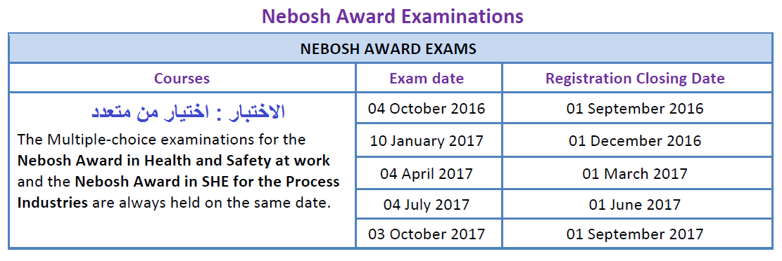

NEBOSH Awards | Fees in US$**
NEBOSH Award in Health & Safety at Work | 300 US$
NEBOSH Award in Health, Safety and the Environment for the Process Industries | 700 US$

NEBOSH CERT
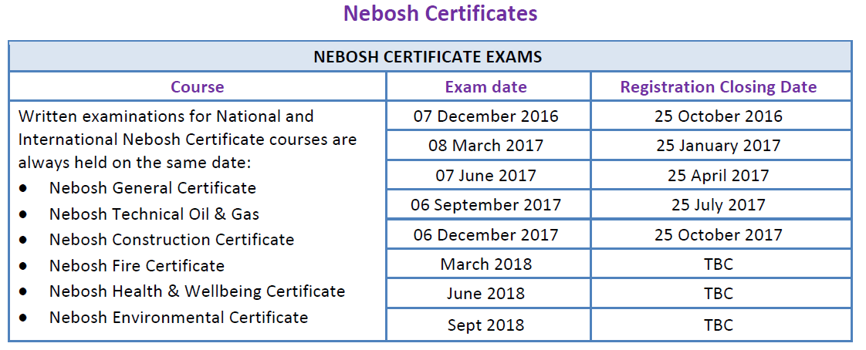

Awards / Course/diploma /Certificate | Fees in US$**
NEBOSH Health & Wellbeing Certificate | 350
NEBOSH International General Certificate | 550
IGC 1 Only | 300
IGC2/3 Only | 350
NEBOSH International Fire Certificate | 550
IFC1/2 Only | 350
NEBOSH International Construction Certificate | 550
ICC1/2 Only | 350
NEBOSH International Oil and Gas Certificate | 350
NEBOSH Certificate in Environmental Management | 350

NEBOSH Diploma
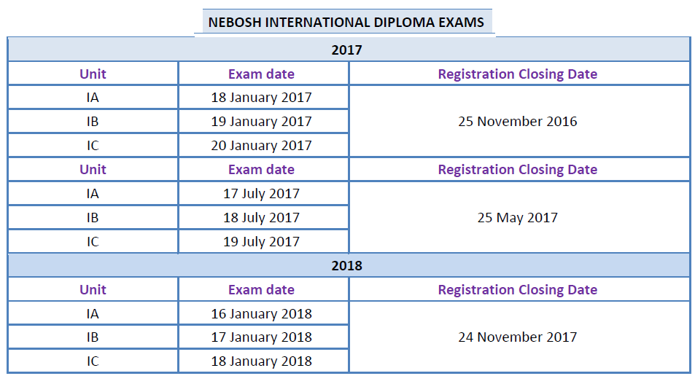



NEBOSH Awards | Fees in US$**
NEBOSH Environmental Diploma | 475
NEBOSH International Diploma FULL | 1550
NEBOSH International Diploma Unit A | 550*
NEBOSH International Diploma Unit B | 450
NEBOSH International Diploma Unit C | 450
NEBOSH International Diploma Unit D | 250

